Charts
Q1 In the past 6 months how easy have you found the following?

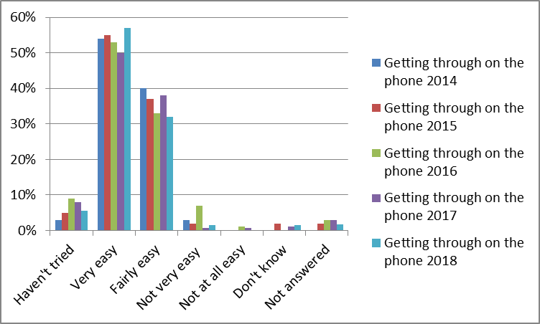

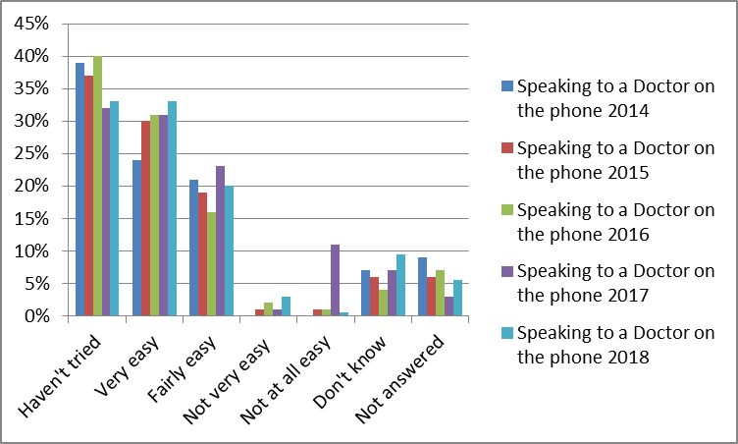

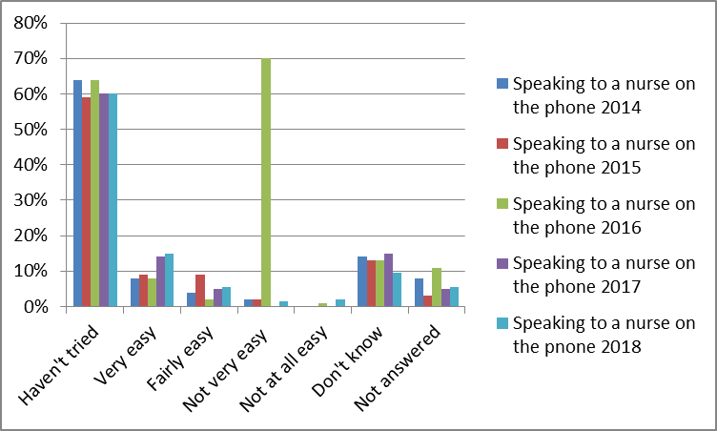

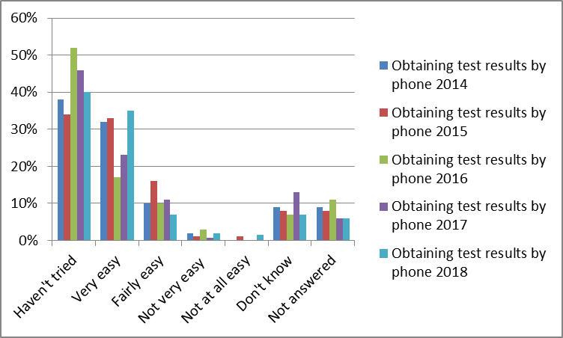

Q2 In the past 6 months have you tried to see a Doctor fairly quickly?
For example on the same day or in the next two weekdays the surgery was open
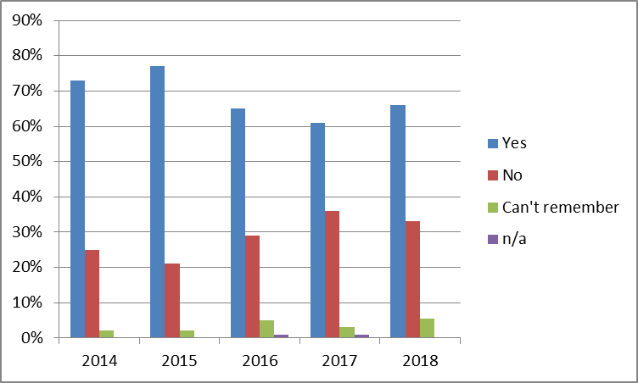

Q3. The last time you tried to see a doctor fairly quickly, were you able to see
a doctor on the same day or in the next two weekdays the surgery was open?
 | Yes | No | Can't remember | n/a
2014 | 86% | 7% | 7%
2015 | 83% | 10% | 5% | 2%
2016 | 75% | 14% | 6% | 4%
2017 | 72% | 19% | 5% | 4%
2018 | 69% | 14% | 11% | 4%

Q4. In the past 6 months have you tried to book ahead for an appointment with a doctor -
for example booking an appointment more than two weekdays in advance
 | Yes | No | Can't remember | n/a
2014 | 69% | 26% | 5%
2015 | 70% | 21% | 6% | 3%
2016 | 68% | 25% | 7%
2017 | 68% | 25% | 4% | 3%
2018 | 67% | 28% | 4% | 1%

Q5. Last time you tried, were you able to get an appointment with a Doctor more
than 2 weekdays in advance?
 | Yes | No | Can't remember | never tried
2014 | 74% | 15% | 11%
2015 | 71% | 15% | 5% | 8%
2016 | 17% | 14% | 4%
2017 | 59% | 23% | 13% | 4%
2018 | 72% | 14% | 10% | 4%

Q6. How helpful do you find the receptionist at the surgery?
 | Very | Fairly | Not very | Not at all | n/a
2014 | 74% | 23% | 2% | 0.01
2015 | 71% | 24% | 3% |  | 2%
2016 | 70% | 25% | 1% |  | 4%
2017 | 74% | 23% | 1% |  | 3%
2018 | 70% | 21% | 2% | 0.007 | 6%

Q7. How easy do you find the Auto Arrivals System?
 | Very | Fairly | Not very | Not at all | n/a
2014 | 83% | 12% | 1% | 1% | 3%
2015 | 68% | 18% | 4% | 1% | 9%
2016 | 83% | 13% | 1% |  | 3%
2017 | 87% | 9% | 1% |  | 3%
2018 | 84% | 8% | 1% |  | 6%

Q8. How do you feel about how long you normally have to wait after your
appointment time?
 | I don't normally have to wait long | I have to wait a bit too long | I have to wait far too long | No opinion/doesn't apply | n/a
2014 | 84% | 11% | 1% | 4%
2015 | 71% | 20% | 4% | 2% | 3%
2016 | 87% | 8% | 1% | 2% | 2%
2017 | 80% | 13% | 1% | 3% | 3%
2018 | 85% | 7% | 1% | 3% | 4%

Q9. How satisfied are you with the opening hours at the surgery?
 | 2014 | 2015 | 2016 | 2017 | 2018
Very | 65% | 56% | 59% | 63% | 61%
Fairly | 29% | 35% | 32% | 30% | 29%
Quite dissatisfied | 1% | 3% | 3% | 3% | 2%
Very dissatisfied |  |  | 1% |  | 2%
Don't know the opening hours | 1% | 2% |  |  | 5%
n/a | 4% | 4% | 5% | 4%

Q10. The last time you saw a doctor at the surgery how good was he/she at each of
the following:

 | Giving you enough time 2014 | Giving you enough time 2015 | Giving you enough time 2016 | Giving you enough time 2017 | Giving you enough time 2018
very good | 79% | 64% | 80% | 72% | 67%
Good | 14% | 26% | 17% | 23% | 25%
Neither good nor poor | 3% | 3% |  | 1% | 1%
Poor |  | 3% |  | 1% | 2%
Very Poor
n/a | 4% | 7% | 3% | 3% | 5%

 | Asking about your symptoms 2014 | Asking about your symptoms 2015 | Asking about your symptoms 2016 | Asking about your symptoms 2017 | Asking about your symptoms 2018
very good | 74% | 59% | 74% | 71% | 63%
Good | 17% | 27% | 20% | 23% | 24%
Neither good nor poor | 1% | 5% |  | 1% | 1%
Poor |  | 1% |  | 1%
Very Poor
n/a | 8% | 7% | 7% | 5% | 11%

 | Listening 2014 | Listening 2015 | Listening 2016 | Listening 2017 | Listening 2018
very good | 76% | 62% | 80% | 75% | 66%
Good | 15% | 23% | 14% | 20% | 21%
Neither good nor poor | 1% | 4% |  | 1% | 1%
Poor |  | 1% |  | 1% | 1%
Very Poor
n/a | 8% | 9% | 7% | 4% | 10%

 | Explaining tests and treatments 2014 | Explaining tests and treatments 2015 | Explaining tests and treatments 2016 | Explaining tests and treatments 2017 | Explaining tests and treatments 2018
very good | 76% | 61% | 79% | 72% | 65%
Good | 14% | 23% | 14% | 21% | 20%
Neither good nor poor | 2% | 5% | 1% | 3% | 2%
Poor |  | 1% |  |  | 1%
Very Poor
n/a | 8% | 9% | 7% | 4% | 13%

 | Involving you in decisions about your care 2014 | Involving you in decisions about your care 2015 | Involving you in decisions about your care 2016 | Involving you in decisions about your care 2017 | Involving you in decisions about your care 2018
very good | 73% | 57% | 78% | 72% | 60%
Good | 15% | 25% | 15% | 20% | 24%
Neither good nor poor | 3% | 7% |  | 5% | 2%
Poor |  | 1% | 1% | 1% | 1%
Very Poor
n/a | 9% | 11% | 7% | 4% | 13%

 | Treating you with care and concern 2014 | Treating you with care and concern 2015 | Treating you with care and concern 2016 | Treating you with care and concern 2017 | Treating you with care and concern 2018
very good | 75% | 58% | 81% | 74% | 67%
Good | 16% | 31% | 13% | 22% | 28%
Neither good nor poor | 1% | 4% | 1% | 1%
Poor |  | 1% |  |  | 200%
Very Poor |  |  |  | 1%
n/a | 8% | 6% | 5% | 2% | 2%

Q11. How easy is it for you to get an appointment with a Practice Nurse
at the surgery?
 | 2014 | 2015 | 2016 | 2017 | 2018
Haven't tried | 21% | 36% | 37% | 24% | 23%
Very | 47% | 44% | 44% | 54% | 55%
Fairly | 25% | 16% | 14% | 19% | 15%
Not very | 3% | 1% | 1% | 1% | 1%
Not at all
n/a | 4% | 3% | 3% | 3% | 5%

Q12. Last time you saw a Practice Nurse at the surgery, how good did you find her
at each of the following:
 | Giving you enough time 2014 | Giving you enough time 2015 | Giving you enough time 2016 | Giving you enough time 2017 | Giving you enough time 2018
Very good | 70% | 56% | 62% | 76% | 72%
Good | 17% | 24% | 18% | 9% | 14%
Niether good nor poor | 3% | 3% | 1% | 1%
Poor |  | 1% | 1% |  | 1%
Very poor
n/a | 10% | 29% | 19% | 22% | 12%

 | Asking about your symptoms 2014 | Asking about your symptoms 2015 | Asking about your symptoms 2016 | Asking about your symptoms 2017 | Asking about your symptoms 2018
Very good | 55% | 52% | 54% | 63% | 62%
Good | 17% | 24% | 17% | 12% | 17%
Niether good nor poor | 6% | 4% | 4% | 3% | 2%
Poor |  | 1%
Very poor | 1%
n/a | 22% | 19% | 25% | 33% | 20%

 | Listening 2014 | Listening 2015 | Listening 2016 | Listening 2017 | Listening 2018
Very good | 60% | 49% | 56% | 70% | 65%
Good | 16% | 23% | 16% | 10% | 17%
Niether good nor poor | 4% | 4% | 3% | 3% | 1%
Poor |  | 1%
Very poor
n/a | 20% | 23% | 25% | 0% | 17%

 | Explaining test and treatments 2014 | Explaining test and treatments 2015 | Explaining test and treatments 2016 | Explaning test and treatments 2017 | Explaning test and treatments 2018
Very good | 57% | 44% | 52% | 63% | 61%
Good | 14% | 21% | 19% | 12% | 18%
Niether good nor poor | 6% | 7% | 4% | 4% | 2%
Poor | 1% | 2%
Very poor
n/a | 22% | 25% | 25% | 21% | 19%

 | Involving you in decisions about your care 2014 | Involving you in decisions about your care 2015 | Involving you in decisions about your care 2016 | Involving you In decisions about your care 2017 | Involving you in decisions about your care 2018
Very good | 55% | 45% | 53% | 60% | 60%
Good | 14% | 25% | 16% | 11% | 17%
Niether good nor poor | 6% | 8% | 7% | 5% | 4%
Poor | 1% | 2%
Very poor
n/a | 24% | 27% | 25% | 24% | 19%

 | Treating you with care and concern 2014 | Treating you with care and concern 2015 | Treating you with care and concern 2016 | Treating you with care and concern 2017 | Treating you with care and concern 2018
Very good | 62% | 49% | 56% | 71% | 70%
Good | 16% | 22% | 16% | 10% | 15%
Niether good nor poor | 3% | 4% | 3% | 2% | 2%
Poor |  | 1%
Very poor |  | 1%
n/a | 19% | 23% | 25% | 27% | 14%

Q13. In general, how satisfied are you with the care you get at the surgery?
 | 2014 | 2015 | 2016 | 2017 | 2018
Very | 82% | 66% | 65% | 76% | 76%
Fairly | 13% | 21% | 25% | 14% | 19%
Neither satisfied nor dissatisfied |  | 1% | 1% | 1%
Quite Satisfied | 3% | 5% | 1% | 3%
Very Satisfied | 2% | 2% | 4% | 2%
n/a |  | 5% | 3% | 4% | 5%

Q14. Would you recommend Oakfield Surgery to someone who has just moved to your
local area?
 | Yes | No | n/a
2014 | 99% | 1%
2015 | 93% | 3% | 3%
2016 | 94% | 1% | 4%
2017 | 94% | 3% | 3%
2018 | 96% | 1% | 3%

Q15. Are you male or female
 | Male | Female | unknown
2014 | 40% | 60%
2015 | 33% | 65% | 3%
2016 | 39% | 56% | 4%
2017 | 32% | 65% | 3%
20.18 | 43% | 54% | 3%

Q16. How old are you?
 | 2014 | 2015 | 2016 | 2017 | 2018
unknown |  | 3% | 0.04 | 1% | 6%
Under 18 | 2% | 6% |  | 1% | 1%
18-24 | 3% | 9% | 0.03 | 4% | 1%
25-34 | 4% | 11% | 0.07 | 10% | 6%
35-44 | 10% | 16% | 0.11 | 13% | 7%
45-54 | 12% | 13% | 0.2 | 13% | 13%
55-64 | 14% | 13% | 0.15 | 15% | 12%
65-74 | 25% | 19% | 0.19 | 25% | 28%
75-84 | 25% | 10% | 0.17 | 15% | 20%
85 and over | 5% | 0% | 0.02 | 3% | 5%

Q17. What is your ethnic group?

 | 2014 | 2015 | 2016 | 2017 | 2018
British | 0.87 | 0.82 | 80% | 85% | 0.84
Irish |  |  | 4% | 1%
Any other white background | 0.01 | 0.05 | 2% | 3% | 0.04
White & Black Caribbean |  | 0.01 | 1% | 1%
White & Black African |  |  | 1% |  | 0.01
White & Asian |  |  |  | 1%
Any other mixed background |  |  |  | 1% | 0.01
Indian | 0.01 |  | 1% | 1% | 0.01
Pakistani | 0.04 | 0.03 | 4% | 5% | 0.01
Bangladeshi |  | 0.01 |  |  | 0.03
Any other Asian background | 0.03 |  | 1% | 1%
Caribbean |  | 0.01 | 1% |  | 0.01
African |  | 0.01 | 1%
Any other black background
Chinese |  | 0.01 | 1%
Any other ethnic group |  |  | 1%
Unknown | 0.04 | 0.05 | 4% | 3% | 0.045

